Sheet1
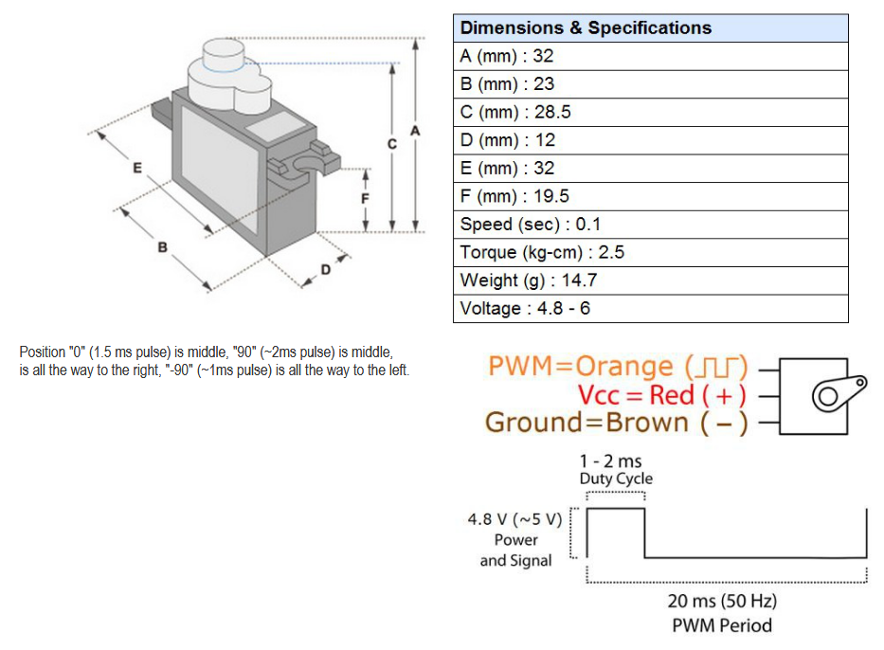
 | L1 (mm) | L2 (mm) |  |  | g
 | 60 | 30 |  |  | 9.81

 | kgF.Cm | Nm | N | Payload (g)
Large Servo | 23 | 2.2555295 | 25.061438889 | 2554.6828633
MS18 | 2.5 | 0.24516625 | 2.7240694444 | 277.68291992

